Sheet1
Start | 0

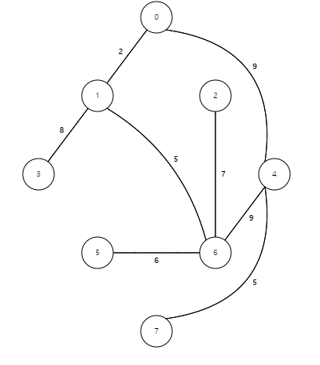
Vertex | Known | Cost | Path
0 | T | 0 | -1 | start
1 | F | INF | -1
2 | F | INF | -1
3 | F | INF | -1
4 | F | INF | -1
5 | F | INF | -1
6 | F | INF | -1
7 | F | INF | -1

Vertex | Known | Cost | Path
0 | T | 0 | -1 | start
1 | F | 2 | 0 | INF>2
2 | F | INF | -1
3 | F | INF | -1
4 | F | 9 | 0 | INF>9
5 | F | INF | -1
6 | F | INF | -1
7 | F | INF | -1

Vertex | Known | Cost | Path
0 | T | 0 | -1 | start
1 | T | 2 | 0 | middle
2 | F | INF | -1
3 | F | 10 | 1 | INF>2+8
4 | F | 9 | 0
5 | F | INF | -1
6 | F | 7 | 1 | INF>2+5
7 | F | INF | -1

Vertex | Known | Cost | Path
0 | T | 0 | -1 | start
1 | T | 2 | 0
2 | F | 14 | 6 | INF>7+7
3 | F | 10 | 1
4 | F | 9 | 0 | 9>7+9
5 | F | 13 | 6 | INF>7+6
6 | T | 7 | 1 | middle
7 | F | INF | -1

Vertex | Known | Cost | Path
0 | T | 0 | -1 | start
1 | T | 2 | 0
2 | F | 14 | 6
3 | F | 10 | 1
4 | T | 9 | 0 | middle
5 | F | 13 | 6
6 | T | 7 | 1 | 7>9+9
7 | F | 14 | 4 | INF>9+5

Vertex | Known | Cost | Path
0 | T | 0 | -1 | start
1 | T | 2 | 0
2 | F | 14 | 6
3 | T | 10 | 1 | middle
4 | T | 9 | 0
5 | F | 13 | 6
6 | T | 7 | 1
7 | F | 14 | 4

Vertex | Known | Cost | Path
0 | T | 0 | -1 | start
1 | T | 2 | 0
2 | F | 14 | 6
3 | T | 10 | 1
4 | T | 9 | 0
5 | T | 13 | 6 | middle
6 | T | 7 | 1
7 | F | 14 | 4

Vertex | Known | Cost | Path
0 | T | 0 | -1 | start
1 | T | 2 | 0
2 | T | 14 | 6 | middle
3 | T | 10 | 1
4 | T | 9 | 0
5 | T | 13 | 6
6 | T | 7 | 1
7 | F | 14 | 4

Vertex | Known | Cost | Path
0 | T | 0 | -1 | start
1 | T | 2 | 0
2 | T | 14 | 6
3 | T | 10 | 1
4 | T | 9 | 0
5 | T | 13 | 6
6 | T | 7 | 1
7 | T | 14 | 4 | middle

